Winter
 |  |  |  |  |  |  |  |  |  |  |  |  | ºC | K
T0 | K | 273 |  |  |  |  |  |  |  |  |  | T2/T1 | 1.4 | 0.97342192691
cp water | kJ/kg.K | 4.18 |  |  |  |  |  |  |  |  |  | LN | 0.33647223662 | -0.026937655732
Tcond.sat | ºC | 30 |  |  |  |  |  |  |  |  |  | T0 | 91.856920598 | -7.3539800148
T evap.sat | ºC | 5 |  |  |  |  |  |  |  |  |  | T2-T1 | 8 | -8
Thot sink | ºC | 20 | 293 | K |  |  |  |  |  |  |  |  |  | -0.64601998522
Tcold sink | ºC | 10 | 283 | K | Approach Temp |  |  |  |  |  |  |  | 315.6 | -203.85968158
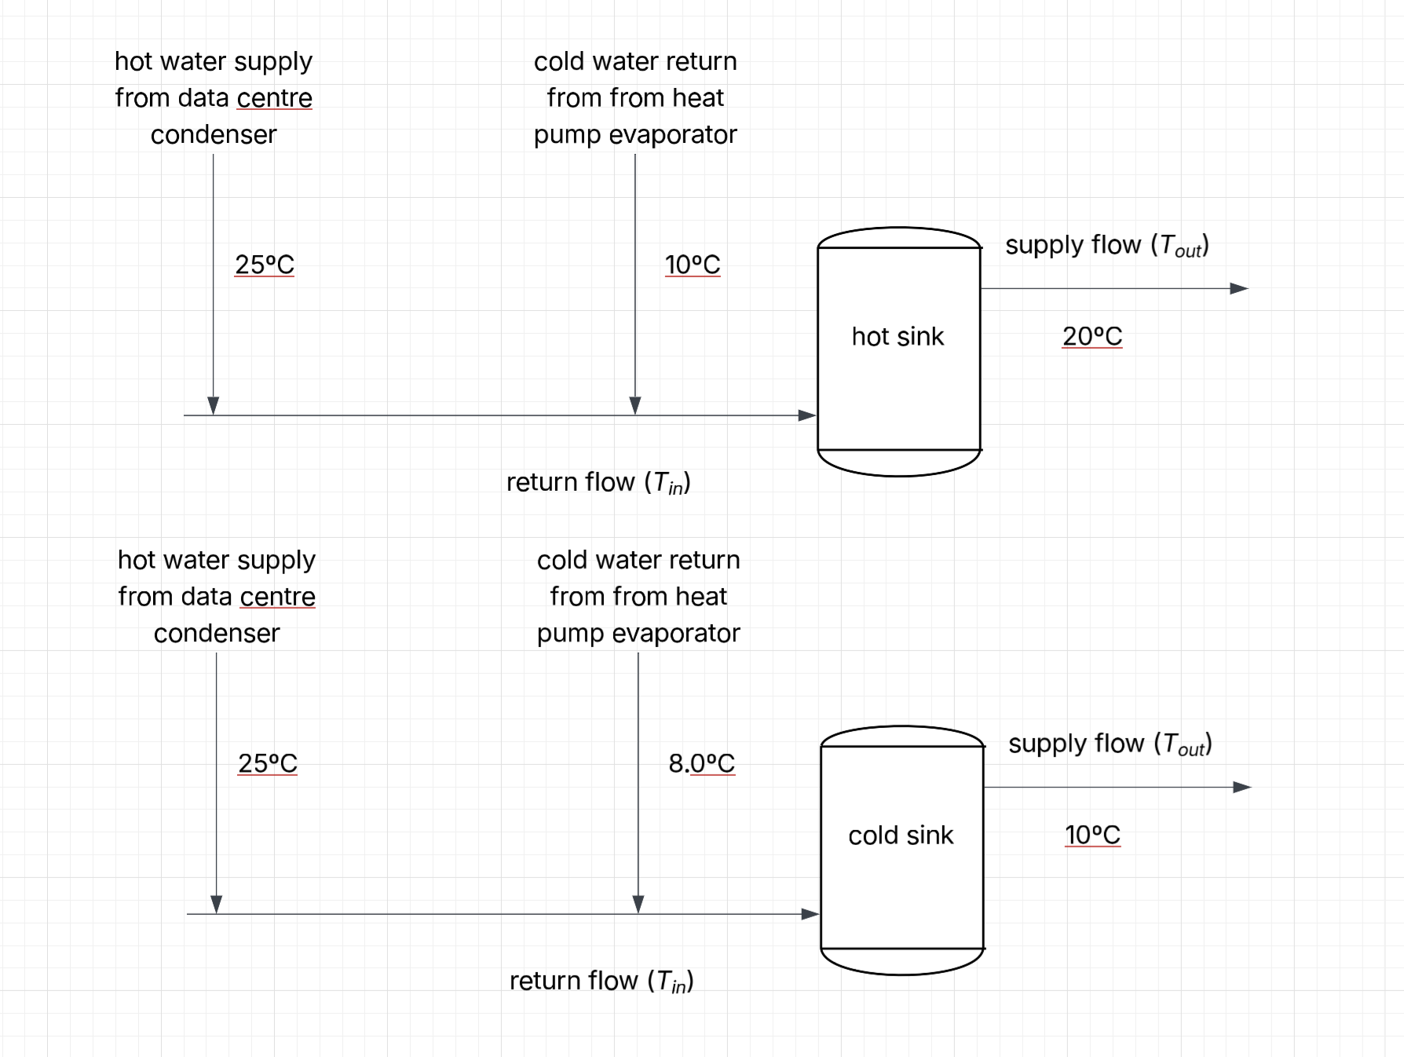
Tcond.hot, out | ºC | 28 | 301 | K | 2 | K
Thp.hot, out | ºC | 10 | 283 | K | 5 | K
Tcond.cold, out | ºC | 25 | 298 | K | 5 | K
Thp.cold, out | ºC | 7 | 280 | K | 2 | K

 |  |  | Winter
 |  |  | Hot Sink |  |  |  |  |  | Cold Sink
 |  |  | Condenser |  |  | HP Evaporator |  |  | Condenser |  |  | HP Evaporator |  |  | total Ex dest
 |  |  | Qcond, hot | ṁcond, hot | Edest cond, hot | Qhp, hot | ṁhp, hot | Edest hp, hot | Qcond, cold | ṁcond, cold | Edest cond, cold | Qhp, cold | ṁhp, cold | Edest hp, hot
 |  |  | kW | kg/s | kW | kW | kg/s | kW | kW | kg/s | kW | kW | kg/s | kW
 |  | Total | 2,286,227 |  | 184,619 | 1,909,081 |  | 99,249 | 339,294 |  | 20,369 | 346,237 |  | 10,452 | 314,688
 |  | Hours
 | 31.55625 | 1 | 2524.5 | 75.5 | 203.9 | 0.0 | 0.0 | 0.0 | 0.0 | 0.0 | 0.0 | 0.0 | 0.0 | 0.0
 |  | 2 | 2376.0 | 71.1 | 191.9 | 0.0 | 0.0 | 0.0 | 0.0 | 0.0 | 0.0 | 0.0 | 0.0 | 0.0
 |  | 3 | 2524.5 | 75.5 | 203.9 | 0.0 | 0.0 | 0.0 | 0.0 | 0.0 | 0.0 | 0.0 | 0.0 | 0.0
 |  | 4 | 2673.0 | 79.9 | 215.9 | 0.0 | 0.0 | 0.0 | 0.0 | 0.0 | 0.0 | 0.0 | 0.0 | 0.0
 |  | 5 | 3044.2 | 91.0 | 245.8 | 0.0 | 0.0 | 0.0 | 0.0 | 0.0 | 0.0 | 0.0 | 0.0 | 0.0
 |  | 6 | 3267.0 | 97.7 | 263.8 | 0.0 | 0.0 | 0.0 | 0.0 | 0.0 | 0.0 | 0.0 | 0.0 | 0.0
 |  | 7 | 3489.7 | 104.4 | 281.8 | 6195.3 | 148.2 | 322.1 | 0.0 | 0.0 | 0.0 | 1127.2 | 89.9 | 34.0
 |  | 8 | 3712.5 | 111.0 | 299.8 | 6196.8 | 148.2 | 322.2 | 0.0 | 0.0 | 0.0 | 1125.7 | 89.8 | 34.0
 |  | 9 | 3732.7 | 111.6 | 301.4 | 0.0 | 0.0 | 0.0 | 202.6 | 3.2 | 12.2 | 0.0 | 0.0 | 0.0
 |  | 10 | 3726.1 | 111.4 | 300.9 | 0.0 | 0.0 | 0.0 | 431.9 | 6.9 | 25.9 | 0.0 | 0.0 | 0.0
 |  | 11 | 3719.6 | 111.2 | 300.4 | 0.0 | 0.0 | 0.0 | 661.1 | 10.5 | 39.7 | 0.0 | 0.0 | 0.0
 |  | 12 | 3713.2 | 111.0 | 299.8 | 0.0 | 0.0 | 0.0 | 890.3 | 14.2 | 53.4 | 0.0 | 0.0 | 0.0
 |  | 13 | 3706.7 | 110.8 | 299.3 | 0.0 | 0.0 | 0.0 | 1119.5 | 17.9 | 67.2 | 0.0 | 0.0 | 0.0
 |  | 14 | 3700.4 | 110.7 | 298.8 | 0.0 | 0.0 | 0.0 | 1348.6 | 21.5 | 81.0 | 0.0 | 0.0 | 0.0
 |  | 15 | 3694.0 | 110.5 | 298.3 | 0.0 | 0.0 | 0.0 | 1206.5 | 19.2 | 72.4 | 0.0 | 0.0 | 0.0
 |  | 16 | 3693.6 | 110.5 | 298.3 | 6190.7 | 148.1 | 321.8 | 1404.9 | 22.4 | 84.3 | 1131.7 | 90.3 | 34.2
 |  | 17 | 3701.1 | 110.7 | 298.9 | 6189.9 | 148.1 | 321.8 | 2090.4 | 33.3 | 125.5 | 1132.6 | 90.3 | 34.2
 |  | 18 | 3708.7 | 110.9 | 299.5 | 6188.7 | 148.1 | 321.7 | 1934.3 | 30.9 | 116.1 | 1133.8 | 90.4 | 34.2
 |  | 19 | 3716.2 | 111.1 | 300.1 | 6187.4 | 148.0 | 321.7 | 2223.8 | 35.5 | 133.5 | 1135.0 | 90.5 | 34.3
 |  | 20 | 3723.7 | 111.4 | 300.7 | 6186.2 | 148.0 | 321.6 | 1919.3 | 30.6 | 115.2 | 1136.3 | 90.6 | 34.3
 |  | 21 | 3731.1 | 111.6 | 301.3 | 6184.8 | 148.0 | 321.5 | 2357.4 | 37.6 | 141.5 | 1137.7 | 90.7 | 34.3
 |  | 22 | 3738.6 | 111.8 | 301.9 | 6183.7 | 147.9 | 321.5 | 1607.4 | 25.6 | 96.5 | 1138.8 | 90.8 | 34.4
 |  | 23 | 3737.9 | 111.8 | 301.8 | 0.0 | 0.0 | 0.0 | 865.6 | 13.8 | 52.0 | 0.0 | 0.0 | 0.0
 |  | 24 | 3731.4 | 111.6 | 301.3 | 0.0 | 0.0 | 0.0 | 129.6 | 2.1 | 7.8 | 0.0 | 0.0 | 0.0
 |  | 25 | 2524.5 | 75.5 | 203.9 | 0.0 | 0.0 | 0.0 | 0.0 | 0.0 | 0.0 | 0.0 | 0.0 | 0.0
 |  | 26 | 2376.0 | 71.1 | 191.9 | 0.0 | 0.0 | 0.0 | 0.0 | 0.0 | 0.0 | 0.0 | 0.0 | 0.0
 |  | 27 | 2554.2 | 76.4 | 206.3 | 0.0 | 0.0 | 0.0 | 0.0 | 0.0 | 0.0 | 0.0 | 0.0 | 0.0
 |  | 28 | 2673.0 | 79.9 | 215.9 | 0.0 | 0.0 | 0.0 | 0.0 | 0.0 | 0.0 | 0.0 | 0.0 | 0.0
 |  | 29 | 2948.8 | 88.2 | 238.1 | 0.0 | 0.0 | 0.0 | 0.0 | 0.0 | 0.0 | 0.0 | 0.0 | 0.0
 |  | 30 | 3139.7 | 93.9 | 253.5 | 0.0 | 0.0 | 0.0 | 0.0 | 0.0 | 0.0 | 0.0 | 0.0 | 0.0
 |  | 31 | 3330.6 | 99.6 | 269.0 | 6184.2 | 147.9 | 321.5 | 0.0 | 0.0 | 0.0 | 1138.2 | 90.8 | 34.4
 |  | 32 | 3521.6 | 105.3 | 284.4 | 6185.8 | 148.0 | 321.6 | 0.0 | 0.0 | 0.0 | 1136.7 | 90.6 | 34.3
 |  | 33 | 3712.5 | 111.0 | 299.8 | 0.0 | 0.0 | 0.0 | 0.0 | 0.0 | 0.0 | 0.0 | 0.0 | 0.0
 |  | 34 | 3708.3 | 110.9 | 299.5 | 0.0 | 0.0 | 0.0 | 195.2 | 3.1 | 11.7 | 0.0 | 0.0 | 0.0
 |  | 35 | 3702.0 | 110.7 | 298.9 | 0.0 | 0.0 | 0.0 | 392.4 | 6.3 | 23.6 | 0.0 | 0.0 | 0.0
 |  | 36 | 3695.7 | 110.5 | 298.4 | 0.0 | 0.0 | 0.0 | 589.6 | 9.4 | 35.4 | 0.0 | 0.0 | 0.0
 |  | 37 | 3689.5 | 110.3 | 297.9 | 0.0 | 0.0 | 0.0 | 786.7 | 12.5 | 47.2 | 0.0 | 0.0 | 0.0
 |  | 38 | 3682.9 | 110.1 | 297.4 | 0.0 | 0.0 | 0.0 | 984.2 | 15.7 | 59.1 | 0.0 | 0.0 | 0.0
 |  | 39 | 3675.9 | 109.9 | 296.8 | 0.0 | 0.0 | 0.0 | 1182.2 | 18.9 | 71.0 | 0.0 | 0.0 | 0.0
 |  | 40 | 3674.8 | 109.9 | 296.7 | 6182.2 | 147.9 | 321.4 | 1374.2 | 21.9 | 82.5 | 1140.2 | 90.9 | 34.4
 |  | 41 | 3681.6 | 110.1 | 297.3 | 6182.0 | 147.9 | 321.4 | 1218.9 | 19.4 | 73.2 | 1140.4 | 90.9 | 34.4
 |  | 42 | 3688.5 | 110.3 | 297.9 | 6181.7 | 147.9 | 321.4 | 1509.0 | 24.1 | 90.6 | 1140.7 | 91.0 | 34.4
 |  | 43 | 3695.3 | 110.5 | 298.4 | 6181.1 | 147.9 | 321.3 | 1799.2 | 28.7 | 108.0 | 1141.4 | 91.0 | 34.5
 |  | 44 | 3702.1 | 110.7 | 299.0 | 6180.1 | 147.8 | 321.3 | 1940.9 | 31.0 | 116.5 | 1142.3 | 91.1 | 34.5
 |  | 45 | 3708.9 | 110.9 | 299.5 | 6178.8 | 147.8 | 321.2 | 2379.6 | 38.0 | 142.9 | 1143.7 | 91.2 | 34.5
 |  | 46 | 3715.6 | 111.1 | 300.0 | 6177.6 | 147.8 | 321.2 | 1630.4 | 26.0 | 97.9 | 1144.8 | 91.3 | 34.6
 |  | 47 | 3714.3 | 111.1 | 299.9 | 0.0 | 0.0 | 0.0 | 889.2 | 14.2 | 53.4 | 0.0 | 0.0 | 0.0
 |  | 48 | 3707.1 | 110.9 | 299.4 | 0.0 | 0.0 | 0.0 | 153.9 | 2.5 | 9.2 | 0.0 | 0.0 | 0.0
 |  | 49 | 2524.5 | 75.5 | 203.9 | 0.0 | 0.0 | 0.0 | 0.0 | 0.0 | 0.0 | 0.0 | 0.0 | 0.0
 |  | 50 | 2376.0 | 71.1 | 191.9 | 0.0 | 0.0 | 0.0 | 0.0 | 0.0 | 0.0 | 0.0 | 0.0 | 0.0
 |  | 51 | 2524.5 | 75.5 | 203.9 | 0.0 | 0.0 | 0.0 | 0.0 | 0.0 | 0.0 | 0.0 | 0.0 | 0.0
 |  | 52 | 2673.0 | 79.9 | 215.9 | 0.0 | 0.0 | 0.0 | 0.0 | 0.0 | 0.0 | 0.0 | 0.0 | 0.0
 |  | 53 | 2992.8 | 89.5 | 241.7 | 0.0 | 0.0 | 0.0 | 0.0 | 0.0 | 0.0 | 0.0 | 0.0 | 0.0
 |  | 54 | 3198.5 | 95.6 | 258.3 | 0.0 | 0.0 | 0.0 | 0.0 | 0.0 | 0.0 | 0.0 | 0.0 | 0.0
 |  | 55 | 3404.1 | 101.8 | 274.9 | 6178.4 | 147.8 | 321.2 | 0.0 | 0.0 | 0.0 | 1144.1 | 91.2 | 34.5
 |  | 56 | 3609.7 | 107.9 | 291.5 | 6180.0 | 147.8 | 321.3 | 0.0 | 0.0 | 0.0 | 1142.5 | 91.1 | 34.5
 |  | 57 | 3683.1 | 110.1 | 297.4 | 0.0 | 0.0 | 0.0 | 132.2 | 2.1 | 7.9 | 0.0 | 0.0 | 0.0
 |  | 58 | 3676.2 | 109.9 | 296.9 | 0.0 | 0.0 | 0.0 | 344.8 | 5.5 | 20.7 | 0.0 | 0.0 | 0.0
 |  | 59 | 3669.2 | 109.7 | 296.3 | 0.0 | 0.0 | 0.0 | 557.3 | 8.9 | 33.5 | 0.0 | 0.0 | 0.0
 |  | 60 | 3662.3 | 109.5 | 295.7 | 0.0 | 0.0 | 0.0 | 769.9 | 12.3 | 46.2 | 0.0 | 0.0 | 0.0
 |  | 61 | 3655.4 | 109.3 | 295.2 | 0.0 | 0.0 | 0.0 | 982.4 | 15.7 | 59.0 | 0.0 | 0.0 | 0.0
 |  | 62 | 3648.6 | 109.1 | 294.6 | 0.0 | 0.0 | 0.0 | 1194.8 | 19.1 | 71.7 | 0.0 | 0.0 | 0.0
 |  | 63 | 3641.7 | 108.9 | 294.1 | 0.0 | 0.0 | 0.0 | 1407.3 | 22.4 | 84.5 | 0.0 | 0.0 | 0.0
 |  | 64 | 3640.8 | 108.9 | 294.0 | 6175.1 | 147.7 | 321.0 | 1259.7 | 20.1 | 75.6 | 1147.4 | 91.5 | 34.6
 |  | 65 | 3647.9 | 109.1 | 294.6 | 6174.8 | 147.7 | 321.0 | 1519.9 | 24.2 | 91.2 | 1147.6 | 91.5 | 34.6
 |  | 66 | 3655.0 | 109.3 | 295.1 | 6174.2 | 147.7 | 321.0 | 1780.1 | 28.4 | 106.9 | 1148.3 | 91.6 | 34.7
 |  | 67 | 3662.0 | 109.5 | 295.7 | 6173.1 | 147.7 | 320.9 | 2278.0 | 36.3 | 136.8 | 1149.4 | 91.7 | 34.7
 |  | 68 | 3669.0 | 109.7 | 296.3 | 6171.6 | 147.6 | 320.8 | 2271.0 | 36.2 | 136.3 | 1150.9 | 91.8 | 34.7
 |  | 69 | 3676.0 | 109.9 | 296.8 | 6170.0 | 147.6 | 320.8 | 2561.0 | 40.8 | 153.7 | 1152.4 | 91.9 | 34.8
 |  | 70 | 3682.9 | 110.1 | 297.4 | 6168.8 | 147.6 | 320.7 | 1781.9 | 28.4 | 107.0 | 1153.6 | 92.0 | 34.8
 |  | 71 | 3681.8 | 110.1 | 297.3 | 0.0 | 0.0 | 0.0 | 1010.8 | 16.1 | 60.7 | 0.0 | 0.0 | 0.0
 |  | 72 | 3674.8 | 109.9 | 296.8 | 0.0 | 0.0 | 0.0 | 245.6 | 3.9 | 14.7 | 0.0 | 0.0 | 0.0
 |  | 73 | 2524.5 | 75.5 | 203.9 | 0.0 | 0.0 | 0.0 | 0.0 | 0.0 | 0.0 | 0.0 | 0.0 | 0.0
 |  | 74 | 2376.0 | 71.1 | 191.9 | 0.0 | 0.0 | 0.0 | 0.0 | 0.0 | 0.0 | 0.0 | 0.0 | 0.0
 |  | 75 | 2524.5 | 75.5 | 203.9 | 0.0 | 0.0 | 0.0 | 0.0 | 0.0 | 0.0 | 0.0 | 0.0 | 0.0
 |  | 76 | 2673.0 | 79.9 | 215.9 | 0.0 | 0.0 | 0.0 | 0.0 | 0.0 | 0.0 | 0.0 | 0.0 | 0.0
 |  | 77 | 2970.0 | 88.8 | 239.8 | 0.0 | 0.0 | 0.0 | 0.0 | 0.0 | 0.0 | 0.0 | 0.0 | 0.0
 |  | 78 | 3168.0 | 94.7 | 255.8 | 0.0 | 0.0 | 0.0 | 0.0 | 0.0 | 0.0 | 0.0 | 0.0 | 0.0
 |  | 79 | 3366.0 | 100.7 | 271.8 | 6172.6 | 147.7 | 320.9 | 0.0 | 0.0 | 0.0 | 1149.9 | 91.7 | 34.7
 |  | 80 | 3564.0 | 106.6 | 287.8 | 6174.8 | 147.7 | 321.0 | 0.0 | 0.0 | 0.0 | 1147.7 | 91.5 | 34.6
 |  | 81 | 3660.5 | 109.5 | 295.6 | 6176.9 | 147.8 | 321.1 | 101.5 | 1.6 | 6.1 | 1145.5 | 91.4 | 34.6
 |  | 82 | 3667.5 | 109.7 | 296.2 | 6178.9 | 147.8 | 321.2 | 292.5 | 4.7 | 17.6 | 1143.5 | 91.2 | 34.5
 |  | 83 | 3674.6 | 109.9 | 296.7 | 6180.7 | 147.9 | 321.3 | 483.4 | 7.7 | 29.0 | 1141.8 | 91.1 | 34.5
 |  | 84 | 3681.6 | 110.1 | 297.3 | 6182.2 | 147.9 | 321.4 | 674.4 | 10.8 | 40.5 | 1140.2 | 90.9 | 34.4
 |  | 85 | 3688.9 | 110.3 | 297.9 | 6183.6 | 147.9 | 321.5 | 865.1 | 13.8 | 51.9 | 1138.9 | 90.8 | 34.4
 |  | 86 | 3696.7 | 110.5 | 298.5 | 6184.7 | 148.0 | 321.5 | 1055.3 | 16.8 | 63.4 | 1137.8 | 90.7 | 34.3
 |  | 87 | 3704.5 | 110.8 | 299.2 | 6185.8 | 148.0 | 321.6 | 899.0 | 14.3 | 54.0 | 1136.6 | 90.6 | 34.3
 |  | 88 | 3712.3 | 111.0 | 299.8 | 6186.9 | 148.0 | 321.6 | 1237.7 | 19.7 | 74.3 | 1135.6 | 90.6 | 34.3
 |  | 89 | 3720.1 | 111.2 | 300.4 | 6187.5 | 148.0 | 321.7 | 1576.4 | 25.1 | 94.6 | 1135.0 | 90.5 | 34.3
 |  | 90 | 3727.8 | 111.5 | 301.0 | 6187.7 | 148.0 | 321.7 | 1915.2 | 30.5 | 115.0 | 1134.7 | 90.5 | 34.3
 |  | 91 | 3735.5 | 111.7 | 301.6 | 6188.0 | 148.0 | 321.7 | 1499.1 | 23.9 | 90.0 | 1134.4 | 90.5 | 34.2
 |  | 92 | 3743.1 | 111.9 | 302.3 | 6189.0 | 148.1 | 321.8 | 1083.1 | 17.3 | 65.0 | 1133.5 | 90.4 | 34.2
...

